File_Name & Instructions
File Naming Convention - This is how you save and name the file.
 |  | Save the file using the following format | Example
 |  | PDRate_Fips_FiscalYear.csv | PDRate_53_2019.csv
 |  | FIPS = County/City Fips Code (no leading zeros) | (This example is for FIPS 053)
 |  | FiscalYear = Fiscal Year of the file submission | (In this example the FY is 2019)

Steps:
1 | Enter Data into the Rate_Collection_Data Sheet/Tab (An example can be found in the Data_Sample tab)
 | "Locality Provider Identifier" can be obtained for each provider from your local system (e.g, Thomas Brothers, Harmony, CBDRS, etc.,). If the provider has been previously reported to OCS, the number can be found under Local Government Reporting --> Reports --> LEDRS Upload Details --> Select a Program Year "Tax ID" is that which your local system loads to LEDRS for this provider "Service Type": Chose from thre drop down menue either "Basic" for the Basic per diem, or "Expanded or Other" for additional levels/programs above the "Basic" per diem. This does not inlcude specific add on services (e.g., OT, PT) that are billed by hour not by day For "Expanded or Other", enter a very brief descriptive term in the "Other - Detailed Descrition" column (see the Data_Sample) "Per Diem" coliumn enter the per diem rate. If your contract is other than on a per diem basis, please calculate and enter the per diem rate. Enter as many lines as needed to account for all of your contracts for FY2019
2 | While saving keep the Rate_Collection_Data sheet open; Click on File --> Save As Type --> CSV (Comma delimited) (*.csv)
3 | Type in the File Name using the format PDRate_FIPS_FiscalYear.csv

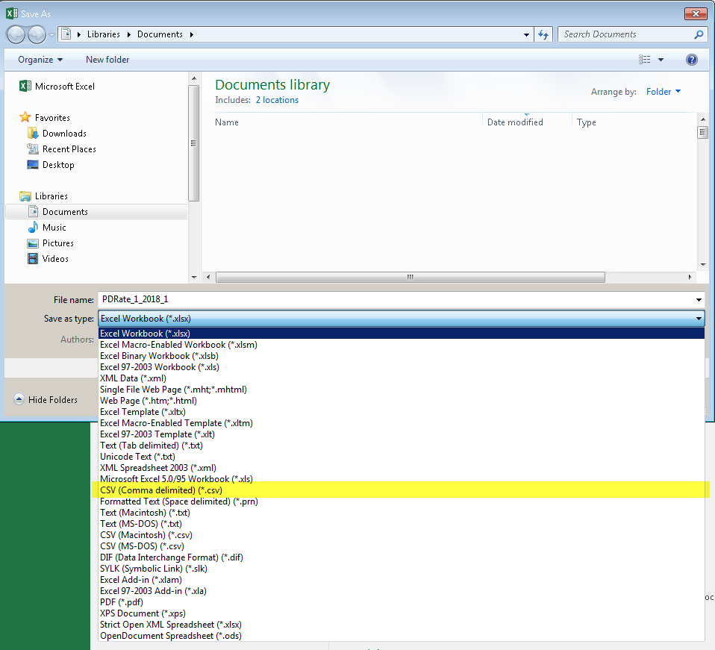

4 | Click on Save button (be sure to note what location on your local computer you save the *.csv file)

6 | Click OK on message "The selected file type does not support workbooks…."

7 | Click on Yes
8 | Login to Local Government Reporting on the CSA website
9 | Click the CSA Coordinator Section
10 | Click "Upload Other File Types"
11 | Click on "Browse" (Internet Explorer) or "Choose File" (Chrome), locate and select the saved *.csv file.
12 | Click on "Upload File" button
13 | If the file Upload is Successful the screen shall be displayed as follows

14 | If there are, errors in the file it will be displayed RED on the top of the screen. Below displayed is an
 | example of ONE of the many possible Error Message(s)

