Instructions
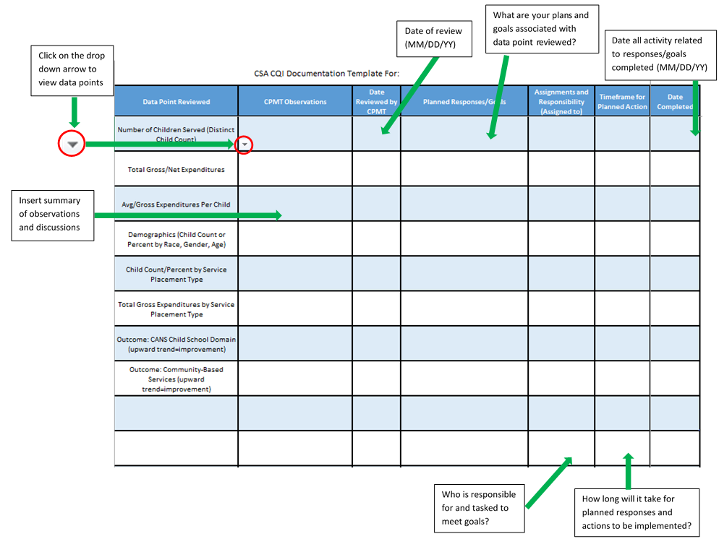

Make Sure To Click The ENABLE EDITING Button For Full Functionality

